7(Analytics)
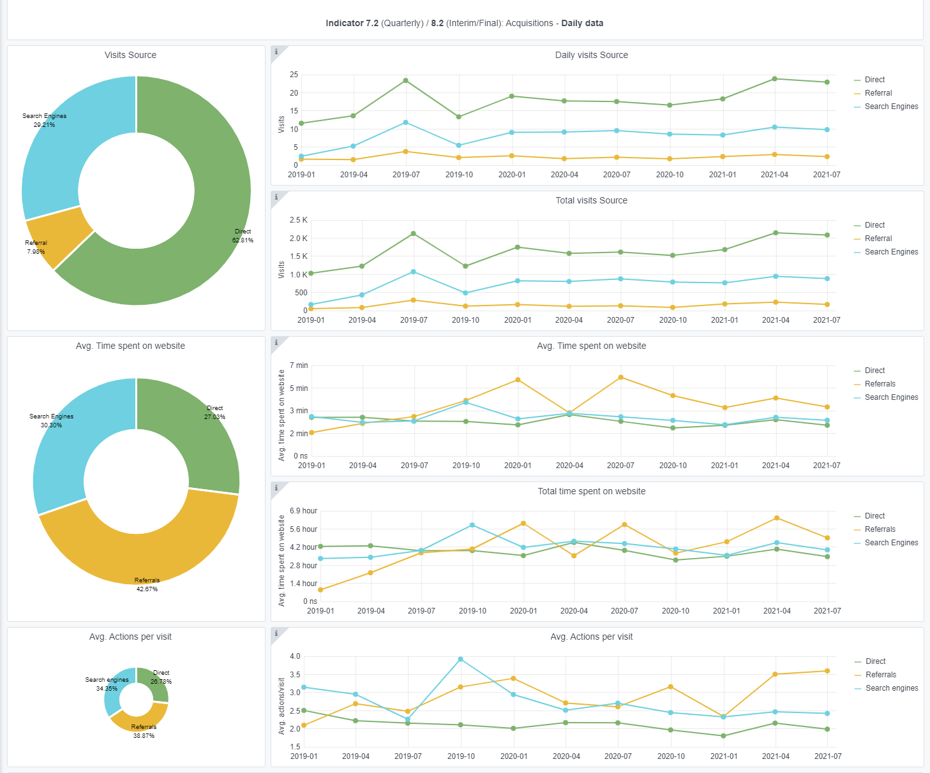
Copy-paste screenshots of the graphs of the information from dashboard
Indicator 7: Portal & Social Media visibility
7.1 Visibility & Analytics (Portal overview)
Reporting date | Portal name | Analytics tool
2021-01-07 | Ingestion | Matomo
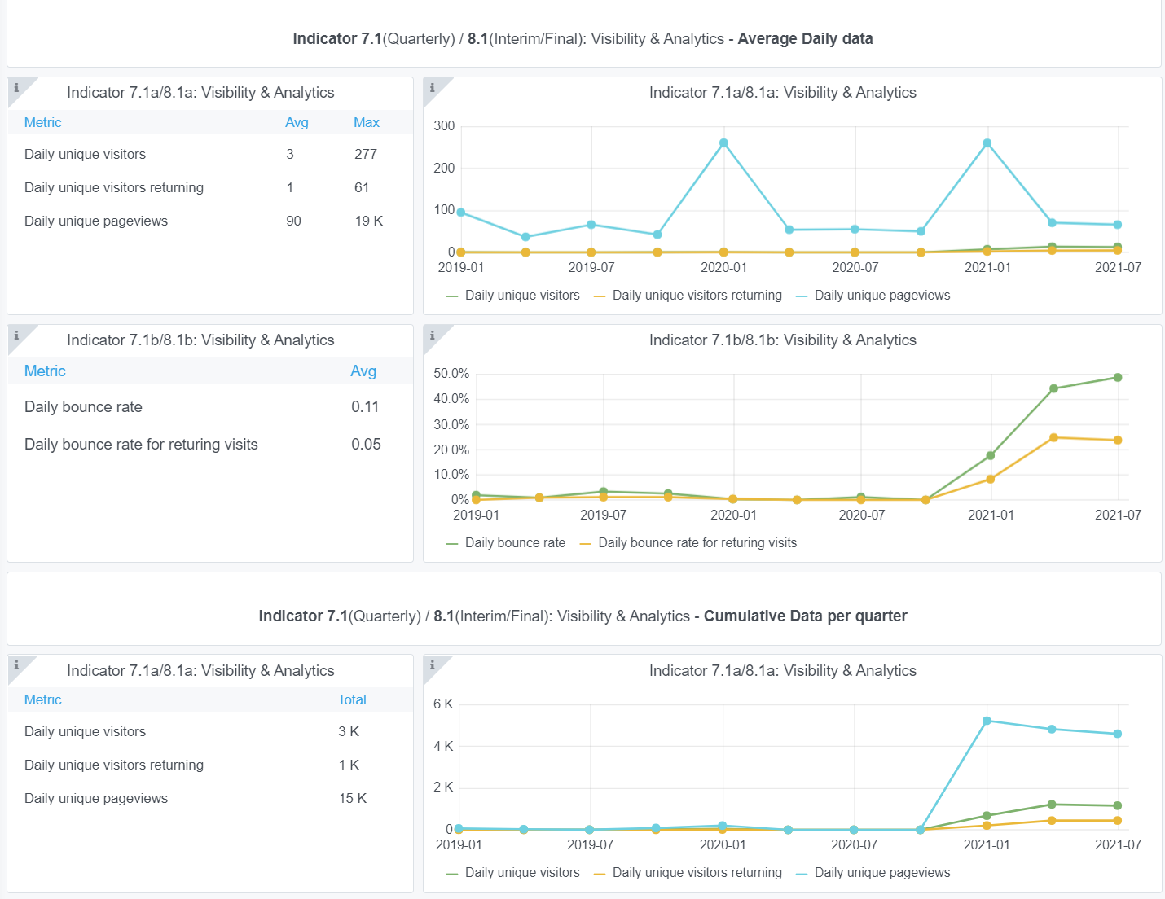

7.2 SEO assessment - Acquisitions
Reporting date | Portal name | Analytics tool
2021-01-07 | Ingestion | Matomo

9-10-11(User stats)
Copy-paste screenshots of the graphs of the information from dashboard
Please refer to "Explanation of the trends and statistics" below
Indicator 9: Visibility & Analytics for web pages
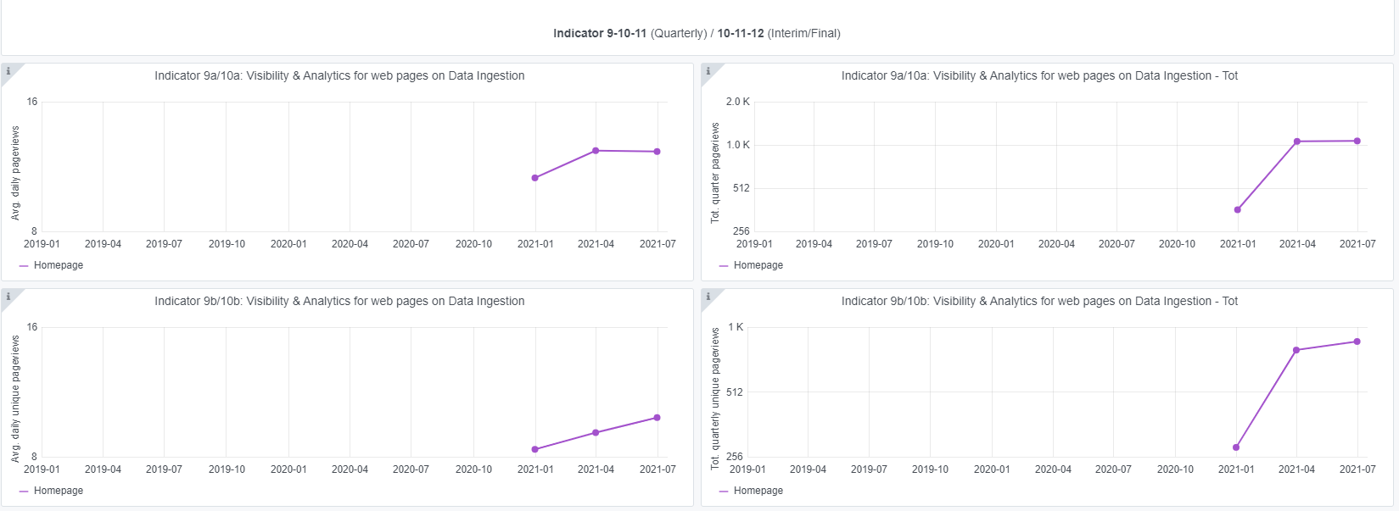

Indicator 10: Visibility & Analytics for web sections

Indicator 11: Average visit duration for web pages

Explanation of the trends and statistics
9) Visibility & analytics for web pages | The grafana application has just been configured for Ingestion so there is not much yet to report in trends. Only the homepage is reported. It shows around 1K unique pageviews per quarter.
10) Visibility & analytics for web sections | The grafana application shows the visit stats of several sections, such as the Guidelines and Operational data. The total quarterly data views are moderate, but this is alos expected as EMODnet Ingestion is more a dedicated site to get new data providers in. Unfortunately, the grafana monitoring of the data viewer is not working well as it reports zero quarterly visits while there are many downloads reported on the same data viewer. This requires further action from Trust-IT. Also there is no monitoring on the Data Submission service reported while this is a major service.
11) Average visit duration for web pages | The grafana application only shows the visit durations for the homepage while this functions more as a menu for starting, while real action takes place at other pages. This also needs further action by Trust-IT as it now misses data.

